Async
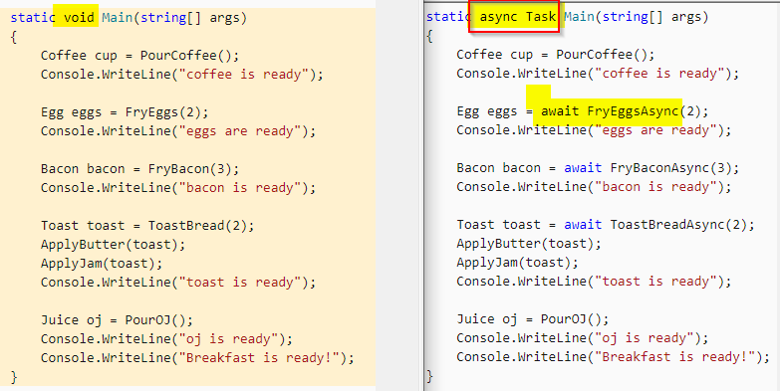
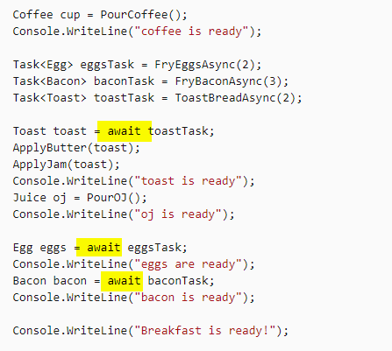
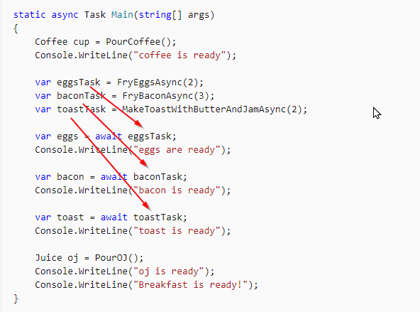
https://docs.microsoft.com/en-us/dotnet/csharp/programming-guide/concepts/async/

Filters
Filter Type | Interface | Class | Description
Simple Filter | IFilter | - | Defines the methods that are used in a filter
Action Filter | IActionFilter | ActionFilterAttribute | Used to add extra logic before or after action methods execute.
Authentication Filter | IAuthenticationFilter | - | Used to force users or clients to be authenticated before action methods execute.
Authorization Filter | IAuthorizationFilter | AuthorizationFilterAttribute | Used to restrict access to action methods to specific users or groups.
Exception Filter | IExceptionFilter | ExceptionFilterAttribute | Used to handle all unhandled exception in Web API.
Override Filter | IOverrideFilter | - | Used to customize the behaviour of other filter for individual action method.

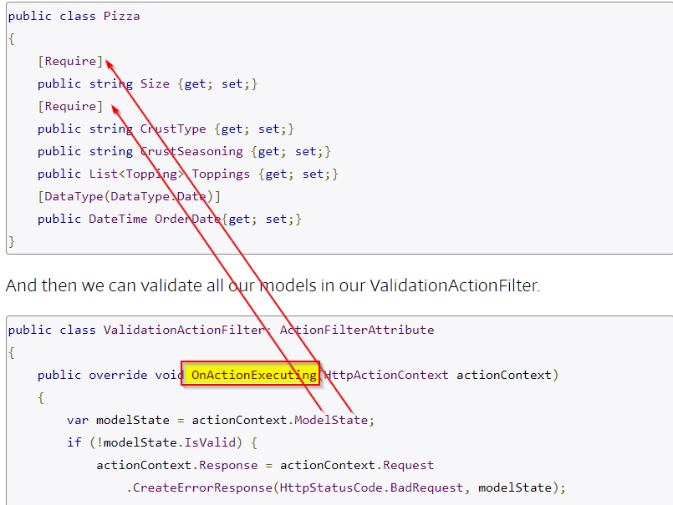
Web API Error Handling: How To Make Debugging Easier
https://stackify.com/web-api-error-handling/

Http error codes
https://docs.microsoft.com/en-us/dotnet/api/system.net.httpstatuscode?view=netcore-3.1#examples

 |  |  | ExecuteAsync
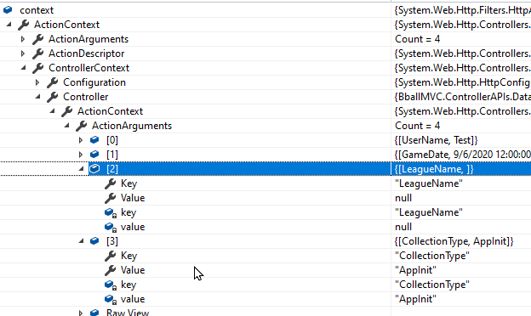
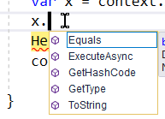

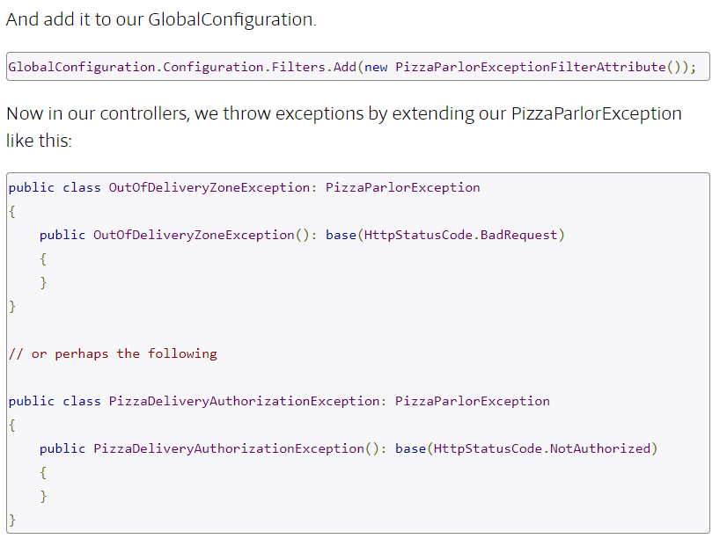

 |  |  |  | 2. Create a GlobalExceptionHandler
 |  |  |  | First off, why would we want to use a GlobalErrorHandler over an ExceptionFilterAttribute? Well, there are some exceptions that our filters will not catch.

 |  |  |  | From the ASP.NET site, there are errors that will not be caught by our filters above. This includes exceptions thrown:

 |  |  |  | 1. From controller constructors
 |  |  |  | 2. From message handlers
 |  |  |  | 3. During routing
 |  |  |  | 4. During response content serialization

 |  |  |  | And since we want to be covered in these scenarios as well, let’s add our GlobalExceptionHandler.

